1. Title Page
Project Name: Instacart Grocery Basket Analysis
Date: 29.01.2024
Analyst Name: Junior Costa

Contents:
Population Flow
Consistency checks
Wrangling steps
Column derivations
Visualizations
Recommendations

2. Population Flow
 | Title page

Population flow

Exclusion flag
Condition: max_order < 5
Obervations to be removed: 1440295
Final total count of order_products_all: 30964564

Orders_products_combined
Orders_products_merged
Orders_products_all

Total: 32404859
Total: 32434489
Total:
32404859

1.) The grey boxes in the first row of the population flow represent the original data sets as they were when you downloaded them. In the Total fields you need to add the count of the rows when you imported the data set into Jupyter.
2.) The second row of boxes (coloured) represents the data sets after you manipulated them, e.g., removed missing values and duplicates. In the Total fields you need to add the count of the rows after conducting these operations. This offers a visual oveview of how the data flows throughout the data consistency checks.
3.) The third row, where also the arrows are coloured, represents the merges you performed between the datasets. In the Total fields you need to add the count of the rows in the merged datasets, so that you end up with the final dataset (in the red box). Keep in mind the final dataset should be without exclusions (based on the exclusion flag).

3. Consistency checks
 |  |  |  | Title page
Consistency checks

Dataset | Missing values | Missing values treatment | Duplicates
orders | there were 206209 NaN values in the 'day_since_last_order' column. | I leaft the columns untouched, I believe these are not actuall missing values, but mean the current orders of the day, that is way are no entry yet. However, I am not sure about it, and need to investigate it further. | No duplicates were found.
products | 16, in product_name column | created two new dataframes, one without the missing values, using the funcion .isnull() == False, and the other only containing the rows where there are no entries for product_name column. | There were 5 full duplicates columns, I droped them.
orders_products_prior
customers | 11259 values in the 'first_name' | I replaced the NaN in this column with 'Unknown' | No Duplicated found.

4. Wrangling steps
 |  |  |  | Title page
Wrangling steps

Columns dropped | Columns renamed | Columns' type changed | Comment/Reason
eval_set (orders.csv) |  |  | It has one value—prior—contains system information that acts as a label for the entire data set.
 | order_dow (orders.csv) |  | to make it more intuitive: 'orders_day_week'
 |  | orders['order_id'] | it does not represent numeric values, changend to string data type
 |  | orders['user_id'] | it does not represent numeric values, changend to string data type

 |  | df_customers['user_id'] | it does not represent numeric values, changend to string data type
first_name' and 'last_name' |  |  | address PII, Security implications

5. Column derivations
 |  |  |  | Title page

Column derivations and aggregations

Dataset | New column | Column/s it was derived from | Conditions
ords_prods_merge | price_range_loc | prices | If the item’s price is lower than or equal to $5, it will be labeled a “low-range product.” If the item’s price is above $5 but lower than or equal to $15, it will be labeled a “mid-range product.” If the item’s price is above $15, it will be labeled a “high-range product.”
ords_prods_merge | busiest_days | orders_day_of_week | “Busiest days" : Saturday and Sunday. “Regularly busy": Friday, Monday and Thursday. “Least busy": Tuesday and Wednesday.
ords_prods_merge | busiest_period_of_day | order_hour_of_day | ords_prods_merge.loc[ords_prods_merge['order_hour_of_day'].map(order_counts_per_hour) >= most_orders_threshold, 'busiest_period_of_the_day'] = 'Most orders' ords_prods_merge.loc[ords_prods_merge['order_hour_of_day'].map(order_counts_per_hour) <= fewest_orders_threshold, 'busiest_period_of_the_day'] = 'Fewest orders'
ords_prods_merge | max_order | user_id, order_number | Max number of orders from a user_id on Instacart. ords_prods_merge['max_order'] = ords_prods_merge.groupby(['user_id'])['order_number'].transform('max')
ords_prods_merge | loyalty_flag | max_order | a “loyalty” label to a user ID based on its corresponding max order value: ['max_order'] > 40, 'loyalty_flag' = 'Loyal customer' ['max_order'] <= 40) & ['max_order'] > 10), 'loyalty_flag' = 'Regular customer', ['max_order'] <= 10, 'loyalty_flag' = 'New customer'
ords_prods_merge | price_mean | user_id, prices | Average Price from the products bought on Instacarts app. ords_prods_merge['price_mean'] = ords_prods_merge.groupby(['user_id'])['prices'].transform('mean')
ords_prods_merge | spending flag | price_mean | Using the average price paid from the customers: ['price_mean'] >= 10, 'spending_flag' = 'High spender' ['price_mean']< 10, 'spending_flag' = 'Low spender'
ords_prods_merge | days_since_prior_order_median | user_id, days_since_last_order | groupping 'days since a customer last ordered by ist user_id, to find the median value, which frequency customers are ordering on. ords_prods_merge['days_since_last_order_median'] = ords_prods_merge.groupby(['user_id'])['days_since_last_order'].transform('median')
ords_prods_merge | frequency_flag | days_since_last_order_median | Using the median of the 'days_since_prior_order to define a 'frequency flag'. ['days_since_last_order_median'] > 20, 'frequency_flag' = 'Non-frequent customer' ['days_since_last_order_median'] > 10) & ['days_since_last_order_median'] <= 20), 'frequency_flag' = 'Regular customer' ['days_since_last_order_median'] <= 10, 'frequency_flag' = 'Frequent customer'
df_all_merged | region | state | After define a dictionary for the states, applied this code: state_to_region = {state: 'Northeast' for state in northeast} state_to_region.update({state: 'Midwest' for state in midwest}) state_to_region.update({state: 'South' for state in south}) state_to_region.update({state: 'West' for state in west})
df_instacart | age_group | age | def categorize_age(age): if 18 <= age <= 30: return 'Young Adults' elif 31 <= age <= 50: return 'Middle-Aged Adults' else: return 'Older Adults'
df_instacart | income_range | income | def categorize_income(income): if income <= 50000: return 'Low Income' elif 50000 < income <= 120000: return 'Middle Income' else: return 'High Income'
df_instacart | family_type | number_of_dependents | def categorize_family_type(number_of_dependents): if number_of_dependents == 0: return 'Independent' elif number_of_dependents == 1: return 'Small Family' else: # Families with 2 and over dependents return 'Larger Family'
instacart_merged | Customer_Profile_Family_Income | family_status, family_type, income_range | Here it were crossed different variables to create various unique customers profiles based on family status, size of the family and income range.
instacart_merged | Customer_Profile_Age-Group_Income | age_group, income_range | Here it were crossed different variables to create various unique customers profiles based on age-group and income range.

6. Visualizations
 |  |  |  | Title page

Visualisations



Saturday = 0, and Sunday = 1 are the busiest day for orders on Instcart.

Busiest-Flag | Day-Code | Day of The Week | Orders
Busiest day | 0 | Saturday | 5908610
Busiest day | 1 | Sunday | 5411686
Regularly busy | 6 | Friday | 4291304
Regularly busy | 2 | Monday | 4024706
Regularly busy | 5 | Thursday | 4033729
Least busy | 3 | Tuesday | 3669535
Least busy | 4 | Wednesday | 3624994


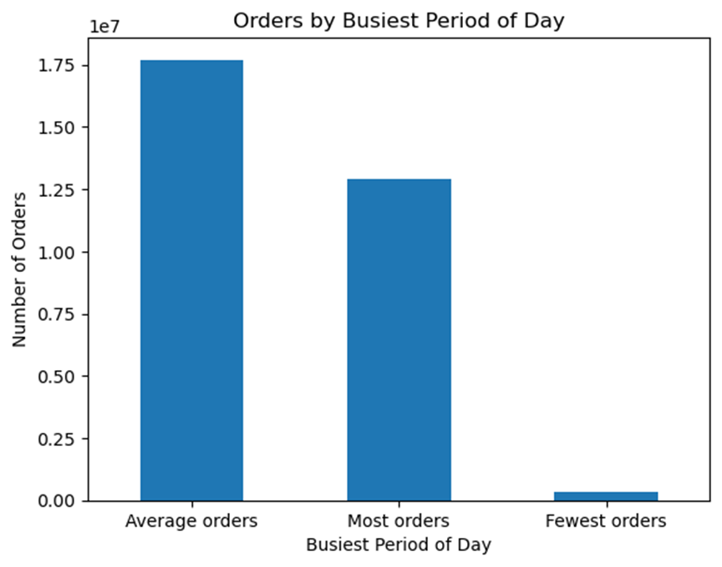

The times where most orders take place are from 10:00 to 16:00.

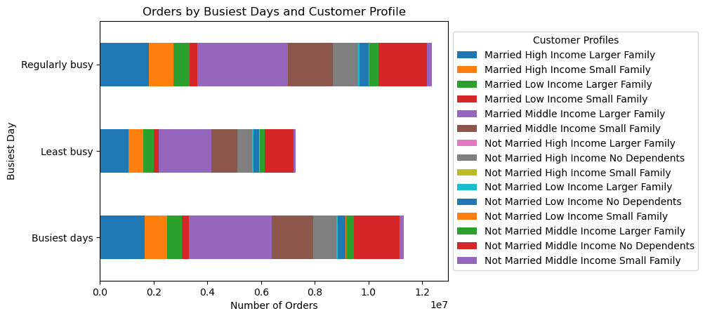

Busiest days for orders by family-status-size-income-profile

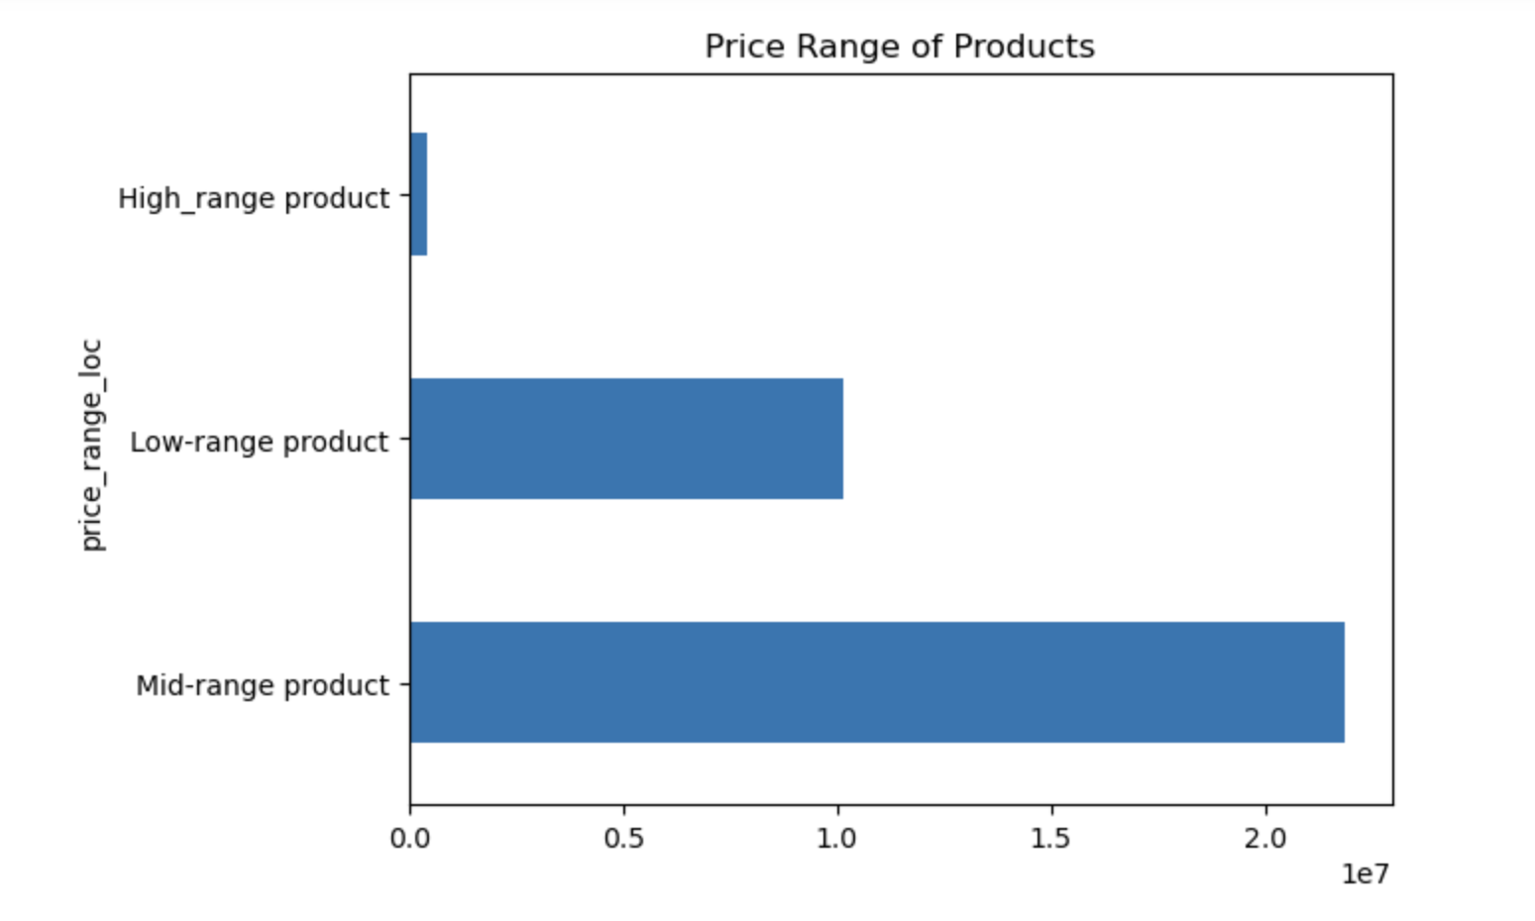

Most products ordered fall into the 'Mid-range product' price category, the ones costing above $5 and lower or equal to $15.

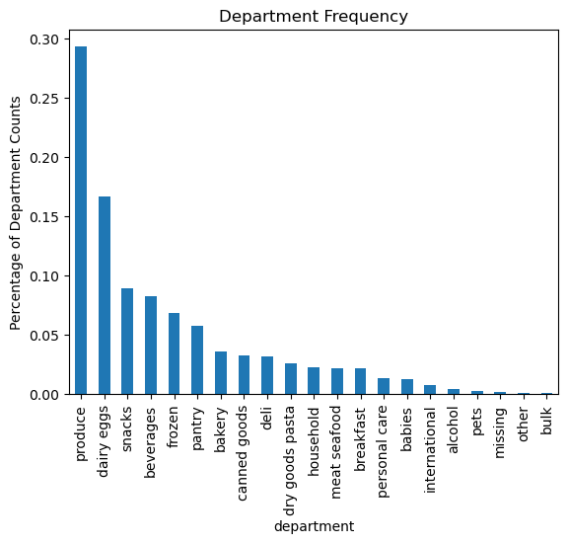

Popular products are from: produce, dairy eggs and snacks departments.

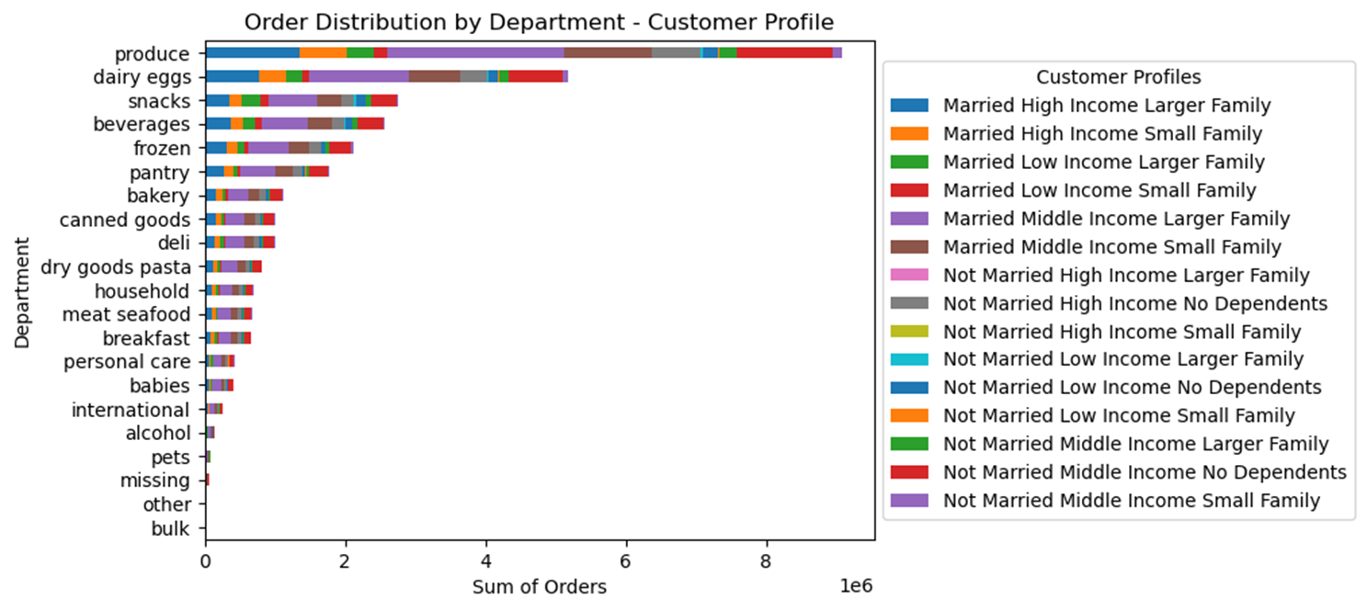

Distribution of orders by departments and family-status-size-income-profile



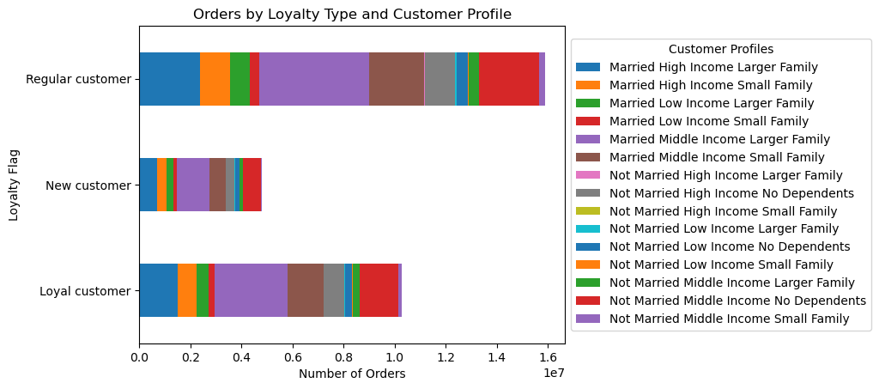

Distribution of orders by loyalty flag and family-status-size-income-profile

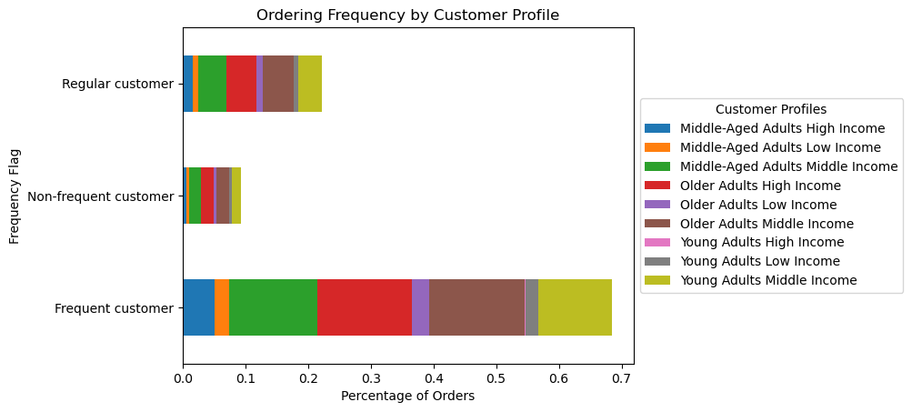

Frequency flag which customers are ordering in distributed by customer-age-income-profile

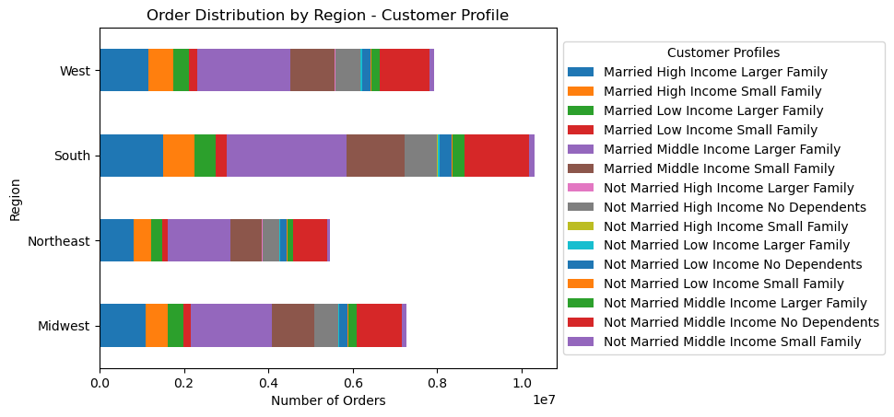

Distribution of orders/customers by region and family-status-size-income-profile

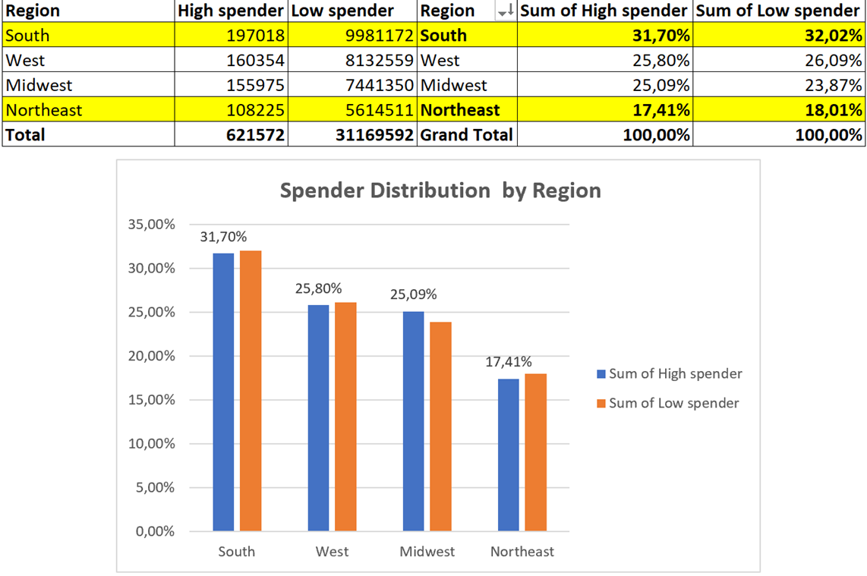

Distribution of orders/customers by region and spending level

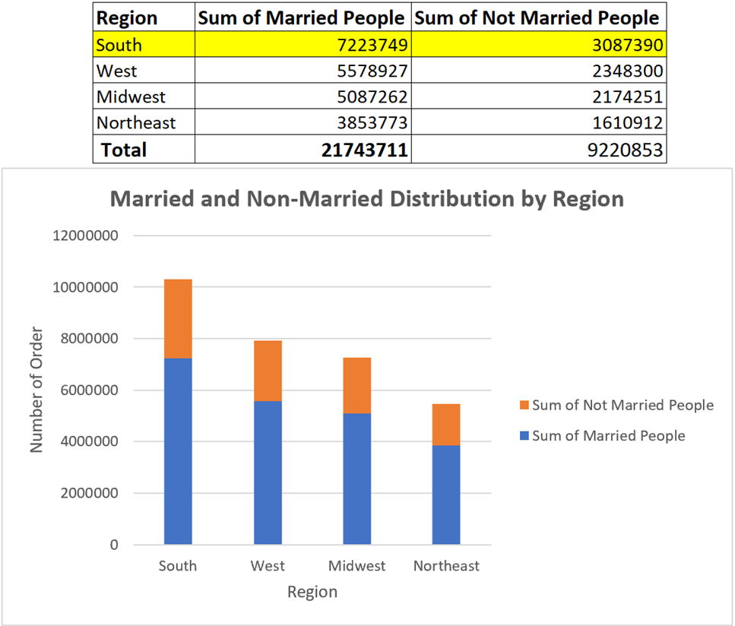

Distribution of orders/customers by region and family status

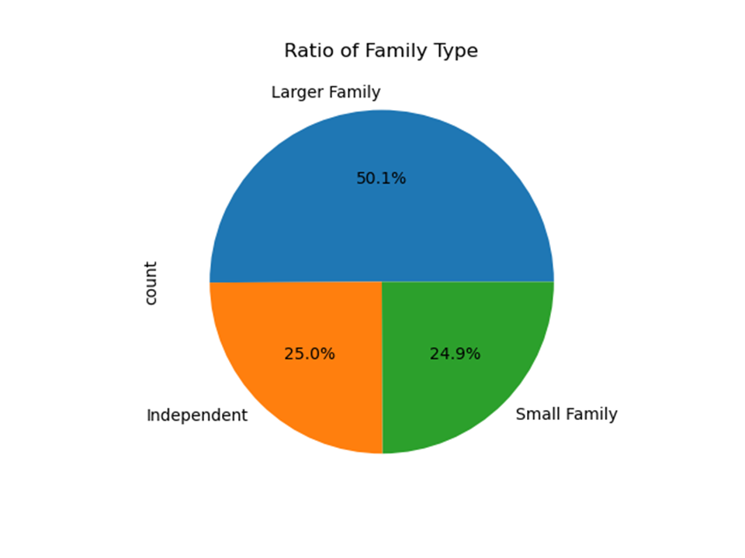

Distribution by family size
Small Family = 1 dependent
Larger Family = 2 or more dependents
Independent = No dependents

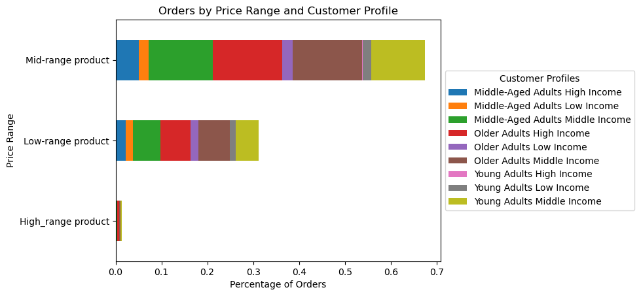

Orders distribution by
Prince Range of products and customer-age-income-profile

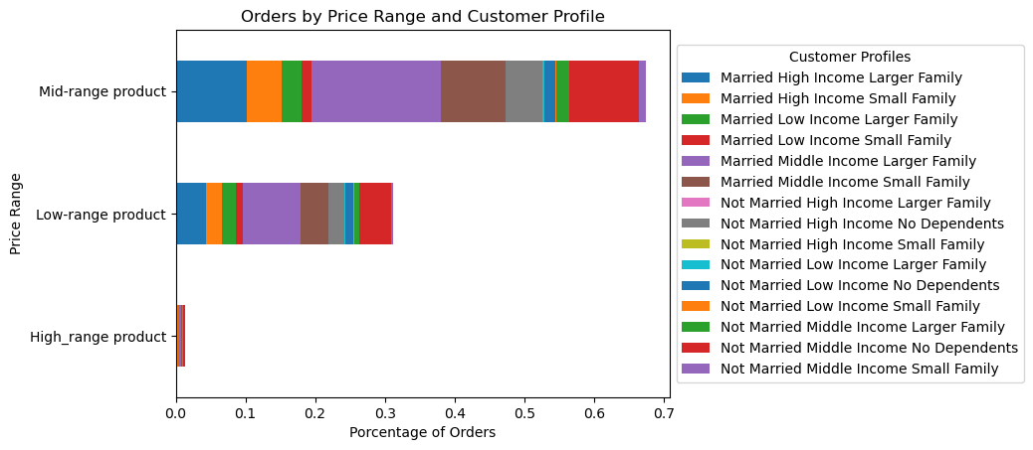

Orders distribution by
Price Range of products and family-status-size-income-profile

7. Recommendations
 |  | Title page

Recommendations

- Instacart's primary customer base consists of married individuals with dependents, emphasizing the importance of campaigns that specifically target families composed of married people with one or more children/dependents. However, the 'Not Married Middle Income No Dependents' profile demonstrate a good peformance among all departments, therefore it should be a special attention of marketing campaings as well.
- Departments such as Bulk, Pet, Other, Missing, International, Alcohol, Babies, and Personal Care are the least popular on Instacart. To improve sales in these departments, advertising efforts should be tailored to the specific interests of the target audience. Additionally, marketing strategies should investigate the brands offered in these departments, as some less popular brands may negatively impact sales.
- To enhance sales volume and address underperforming departments, consider promoting products from the less popular departments on specific days, particularly Tuesday and Wednesday, which are identified as the days with the least number of orders.
- To boost customer ordering frequency and maintain brand loyalty, consider implementing a bonus program for top customers. Customers who place orders greater than the average and consistently return to order on Instacart's app monthly could accumulate a percentage discount for the following month. This incentivizes customers to continue using Instacart, ensuring they return to take advantage of the benefits offered through the bonus program.

Question | Answer
1- what the busiest days of the week and hours of the day? | Saturday and Sunday are the busiest days for orders. The busiest hours of the day to orders are from 10 - 16.
2- They also want to know whether there are particular times of the day when people spend the most money, as this might inform the type of products they advertise at these times. | even though the busiest period is between 10 and 16. Most of orders take place in the the avarega busiest period, thus where peopple spend most money.
3- Are there certain types of products that are more popular than others? The marketing and sales teams want to know which departments have the highest frequency of product orders. | The top two most frequently visited departments on Instacart's app are produce, which has twice as many sales as the second one, namely, dairy and eggs. Following closely are the snacks and beverages departments with a pretty similar frequency.
4- What’s the distribution among users in regards to their brand loyalty (i.e., how often do they return to Instacart)? | The majority of Instacart's customers are labeled as Regular and Loyal Customers; that is, they have a maximum number of orders greater than 10, and their order history indicates consistent engagement. When examining the frequency with which they place orders again, most customers fall into the category of 'Frequent Customers,' defined by a timespan between the previous order and the new one equal to or less than 10 days. Looking more closely at the 'Income-Age-Profile,' three profiles emerge as the most frequent: Older Adults with a Middle- and High-Income; Middle-Aged Adults at a Middle-Income level; and Young Adults with a Middle-Income.
5 - Are there differences in ordering habits based on a customer’s loyalty status? | Just a small fraction of the customers on Instacart fall into the category of 'New Customers,' characterized by a maximum number of orders of 10 or less. Examining their family-income based profile reveals that married individuals with dependents are the most loyal customers.
6 - Are there differences in ordering habits based on a customer’s region? | Yes, the South region is the primary contributor to Instacart's overall revenue, accounting for approximately 30% of the grand total. Additionally, it is the region with the highest concentration of 'High Spenders,' defined as customers who consistently order products with an average price greater than or equal to $10. On the other hand, the Northeast region is underperforming, representing only about 17% of the grand total of orders on Instacart.
7 - Is there a connection between age and family status in terms of ordering habits? | Overall, the majority of Instacart customers are married individuals with dependents, and they tend to fall into the Middle-Aged or Older-Adults demographic. Young Adults and singles with dependents are less frequently observed in Instacart's analysis.
8 - What different classifications does the demographic information suggest? Age? Income? Certain types of goods? Family status? | The customers on Instacart are married, have some number of dependents, fall into the Middle-Income category, who order the most products from food departments (produce, dairy eggs, snacks and beverages)
9 - What differences can you find in ordering habits of different customer profiles? Consider the price of orders, the frequency of orders, the products customers are ordering, and anything else you can think of. | Young Adults Middle Income' and 'Not Married Middle Income No Dependents' profiles tend to order more products from the 'Mid-Range product' price range compared to the profiles of: 'Married High Income Larger Family' 'Married High Income Small Family' 'Married Low Income Larger Family' 'Married Low Income Small Family' When it comes to specific goods, profiles categorized as 'married and with dependents' make up the majority of orders across all departments. Notably, the 'Not Married Middle Income No Dependents' profile stands out with a significant ratio of orders in the produce and dairy eggs departments, making it the second most common customer profile ordering from snacks and beverage departments.

